0_Flowchart_Overview
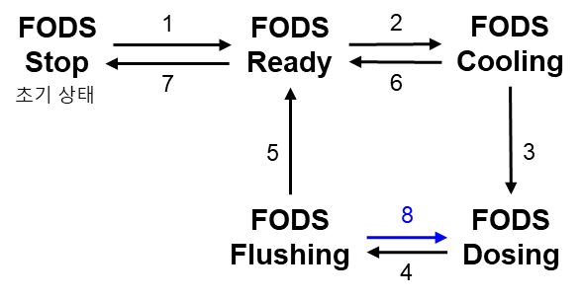
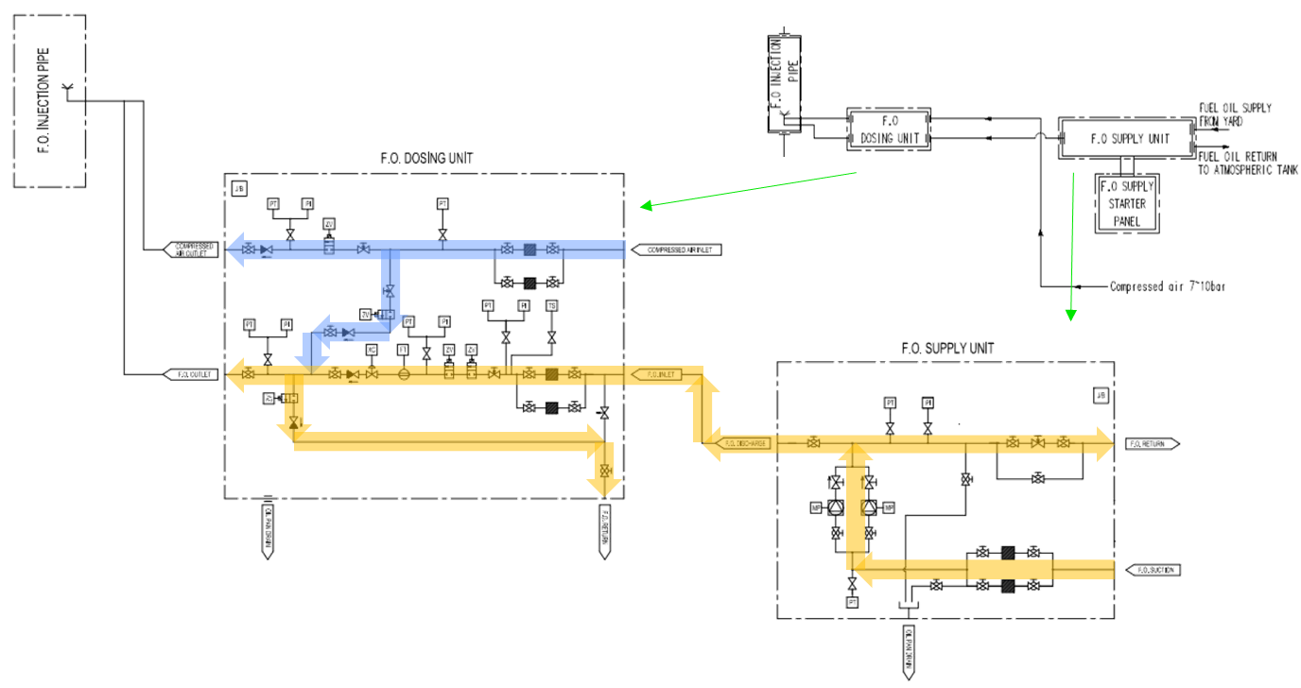
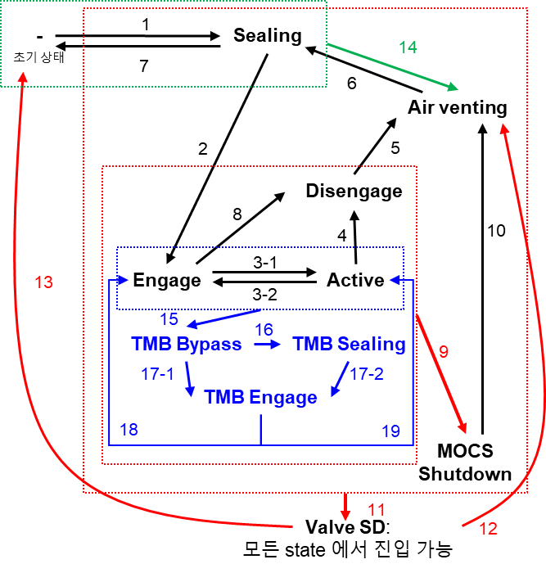
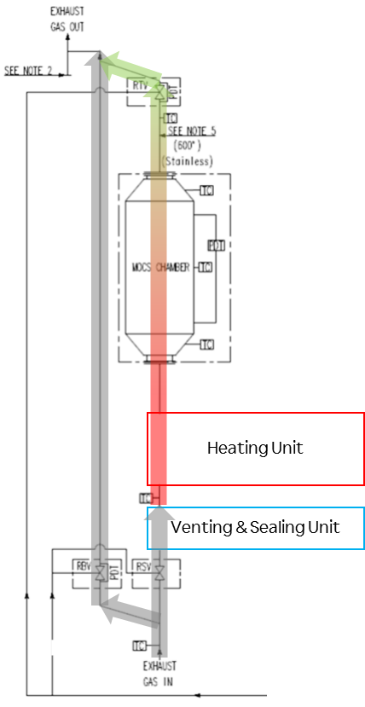
Sheet List
0 | Flowchart_Overview
1 | Flag Definition
2 | MOCS Control Path
3 | FODS Control Path | FODS: Fuel Oil Dosing System
4 | BS Control Path | BS: Burner System

